notes
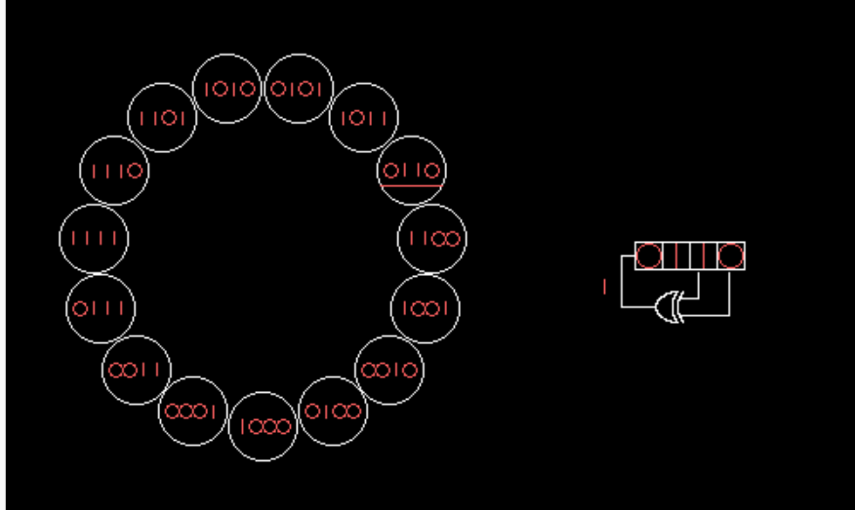
http://en.wikipedia.org/wiki/Linear_feedback_shift_register

